1
Photo | Article | Model | EUR | 41 | 42 | 43 | 44 | 45 | 46 | Total | Pallet | Carton
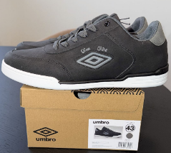 | ANTHR | Umbro Men IPam Anthracite, stylish leather look and feel shoes |  | 36 | 72 | 108 | 108 | 72 | 36 | 432 | 216 | 12
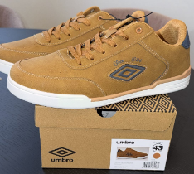 | CAMEL | Umbro Men Ipam Camel, stylish leather look and feel shoes |  | 36 | 72 | 108 | 108 | 72 | 36 | 432 | 216 | 12
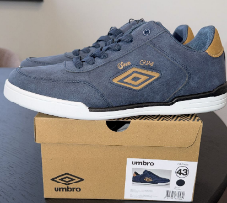 | MARIN | Umbro Men Ipam Marine, stylish leather look and feel shoes |  | 48 | 96 | 144 | 144 | 96 | 48 | 576 | 216 | 12
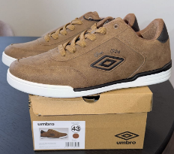 | MARRON | Umbro Men Ipam Foam Marron, stylish leather look and feel shoes |  | 36 | 72 | 108 | 108 | 72 | 36 | 432 | 216 | 12
 |  |  |  |  |  |  |  |  |  | 1872

